Sheet1
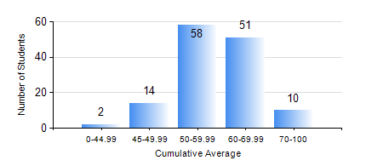
 |  |  | KWAME NKRUMAH UNIVERSITY OF SCIENCE AND TECHNOLOGY, KUMASI Department of Materials Engineering

 |  |  | BSC. METALLURGICAL ENG.

 |  |  | COMPREHENSIVE RECORD OF EXAMINATION RESULTS

 |  |  | RESULTS OF YEAR 4 FIRST SEMESTER, 2023/2024 ACADEMIC YEAR

 | Sn | Course Code |  | Course Name | Credit Hours | Min. Mark | Max. Mark | Avg. Mark | Std. Dev. | No. Passed | No. Trailed | No. (Df) | No. (I) | No. (I*) | No. Tagged(I,I*,Df) | Total
 | 0. |  |  |  |  |  |  | 0 | 0 | 0 | 0 | 0 | 0 | 0 | 0 | 1
 | 1. | ME 491 |  | ENGINEERING ECONOMY AND MANAGEMENT | 3 | 0 | 80 | 55 | 9.78 | 133 | 1 | 0 | 0 | 0 | 0 | 134
 | 2. | METE 451 |  | METALLURGICAL PLANT DESIGN/OPERATIONS | 3 | 0 | 87 | 68 | 11.51 | 132 | 2 | 0 | 0 | 0 | 0 | 134
 | 3. | METE 453 |  | METALLURGICAL FAILURE ANALYSIS AND NDTs | 2 | 0 | 82 | 62 | 9.42 | 132 | 2 | 0 | 0 | 0 | 0 | 134
 | 4. | METE 455 |  | INDUSTRIAL ATTACHMENT AND FIELD TRIP | 1 | 0 | 87 | 76 | 10.24 | 133 | 1 | 0 | 0 | 0 | 0 | 134
 | 5. | METE 457 |  | CORROSION OF ENGINEERING MATERIALS | 3 | 0 | 84 | 45 | 16.05 | 102 | 32 | 0 | 0 | 0 | 0 | 134
 | 6. | METE 497 |  | FINAL YEAR PROJECT-PROPOSAL DEVELOPMENT | 2 | 0 | 90 | 72 | 10.8 | 133 | 1 | 0 | 0 | 0 | 0 | 134
 | 7. | MSE 457 |  | METAL FORMING PROCESSES | 3 | 0 | 86 | 55 | 13.8 | 120 | 14 | 0 | 0 | 0 | 0 | 134

